Salon Management
SALON MANAGEMENT SYSTEM DATABASE
We have to develop a database structure for Salon Management System. A Salon has customers and employees as its members. Both the employees and customers' location can be detected based on unique Zip Codes. One person can only belong to one address and therefore can only have one Zip Code associated with them. Customers can take advantage of services provided by the Salon by making an appointment.
The entities for this problem are: ZipCodes, Appointment, Customer, SalonService, Employee and Service Rendered

er diag
ER DIAGRAM WITH RELATIONSHIPS |  |  |  |  | RELATIONSHIP TABLES

ZIPCODES |  |  |  | EMPLOYEE |  | rel_ZIPCODES_EMPLOYEE
ZipCode |  |  |  | EmplopyeeID |  | ZipCode
city |  | has |  | FirstName |  | EmployeeID
state |  |  |  | LastName
 |  |  |  | Street
 |  |  |  | ZipCode |  | rel_ZIPCODES_CUSTOMER
 |  |  |  | PayRate |  | ZipCodes
has |  |  |  |  |  | CustomerID

 |  |  |  |  |  | rel_CUSTOMER_APPOINTMENT
 |  |  |  |  |  | CustomerID
CUSTOMER | books | APPOINTMENT | provides |  |  | AppointmentID
CustomerID |  | AppointmentID |  |  |  | AppointmentDate
FirstName |  | AppointmentDate
LastName |  | CustomerID
PhoneNumber |  |  |  |  |  | rel_APPOINTMENT_SERVICERENDERED
Street |  |  |  |  |  | AppointmentID
ZipCode |  | receives |  |  |  | LineItemNumber
Gender

 |  |  | SALONSERVICE |  |  | rel_SERVICERENDERED_SALONSERVICE
 |  | SERVICERENDERED | ServiceID |  |  | AppointmentID
 |  | AppointmentID | ServiceName |  |  | LineItemNumber
is rendered
 |  | LineItemNumber | ServiceDuration |  |  | ServiceID
 |  | ServiceID | ServicePrice
 |  | ServiceExtendedPrice | ServiceMaterials
 |  | EmployeeID |  |  |  | rel_SERVICERENDERED_EMPLOYEE
 |  |  |  |  |  | AppointmentID
 |  |  |  |  |  | LineItemNumeber
 |  |  |  |  |  | EmployeeID

SQL Code
CREATE TABLE ZipCodes
(
zipcode INT(6) NOT NULL,
city VARCHAR(30),
state VARCHAR(30),
PRIMARY KEY (zipcode)
) ;
CREATE TABLE rel_ZIPCODES_EMPLOYEE
(
ZipCode INT(6) NOT NULL,
EmployeeID VARCHAR(10) NOT NULL,
FOREIGN KEY (ZipCode) REFERENCES ZipCodes(ZipCode),
FOREIGN KEY (EmployeeID) REFERENCES Employee(EmployeeID)
) ;
ZIPCODES | rel_ZIPCODES_EMPLOYEE
ZipCode | ZipCode
city | EmployeeID
state

CREATE TABLE rel_ZIPCODES_CUSTOMER
(
ZipCode INT(6) NOT NULL,
CustomerID VARCHAR(10) NOT NULL,
FOREIGN KEY (ZipCode) REFERENCES ZipCodes(ZipCode),
FOREIGN KEY (CustomerID) REFERENCES Customer(CustomerID)
) ;
CREATE TABLE Appointment
(
AppointmentID VARCHAR(10) NOT NULL,
AppointmentDate DATE,
CustomerID VARCHAR(10) NOT NULL,
PRIMARY KEY (AppointmentID),
FOREIGN KEY (CustomerID) REFERENCES Customer(CustomerID)
) ;
 | rel_ZIPCODES_CUSTOMER
APPOINTMENT | ZipCodes
AppointmentID | CustomerID
AppointmentDate
CustomerID

CREATE TABLE rel_CUSTOMER_APPOINTMENT
(
CustomerID VARCHAR(10) NOT NULL,
AppointmentID VARCHAR(10) NOT NULL,
AppointmentDate DATE,
FOREIGN KEY (CustomerID) REFERENCES Customer(CustomerID),
FOREIGN KEY (AppointmentID) REFERENCES Appointment(AppointmentID)
) ;
CREATE TABLE Customer
(
CustomerID VARCHAR(10) NOT NULL,
FirstName VARCHAR(40),
LastName VARCHAR(40),
PhoneNumber VARCHAR(10),
Street VARCHAR(40),
ZipCode INT(6),
Gender VARCHAR(10),
PRIMARY KEY (CustomerID),
FOREIGN KEY (ZipCode) REFERENCES ZipCodes(ZipCode)
) ;
 | rel_CUSTOMER_APPOINTMENT
 | CustomerID
 | AppointmentID
CUSTOMER | AppointmentDate
CustomerID
FirstName
LastName
PhoneNumber
Street
ZipCode
CREATE TABLE rel_APPOINTMENT_SERVICERENDERED
(
AppointmentID VARCHAR(10) NOT NULL,
LineItemNumber INTEGER NOT NULL,
FOREIGN KEY (AppointmentID) REFERENCES Appointment(AppointmentID)
) ;
Gender | rel_APPOINTMENT_SERVICERENDERED
 | AppointmentID
 | LineItemNumber

CREATE TABLE SalonService
(
ServiceID VARCHAR(10) NOT NULL,
ServiceName VARCHAR(40),
ServiceDuration FLOAT,
ServicePrice FLOAT,
ServiceMaterials VARCHAR(255),
PRIMARY KEY (ServiceID)
) ;
CREATE TABLE rel_SERVICERENDERED_SALONSERVICE
(
AppointmentID VARCHAR(10) NOT NULL,
LineItemNumber INTEGER NOT NULL,
ServiceID VARCHAR(10) NOT NULL,
FOREIGN KEY (AppointmentID) REFERENCES Appointment(AppointmentID),
FOREIGN KEY (ServiceID) REFERENCES SalonService(ServiceID)
) ;
SALONSERVICE
ServiceID
ServiceName | rel_SERVICERENDERED_SALONSERVICE
ServiceDuration | AppointmentID
ServicePrice | LineItemNumber
ServiceMaterials | ServiceID

CREATE TABLE rel_SERVICERENDERED_EMPLOYEE
(
AppointmentID VARCHAR(10) NOT NULL,
LineItemNumber INTEGER NOT NULL,
EmployeeID VARCHAR(10) NOT NULL,
FOREIGN KEY (AppointmentID) REFERENCES Appointment(AppointmentID),
FOREIGN KEY (EmployeeID) REFERENCES Employee(EmployeeID)
) ;
CREATE TABLE Employee
(
EmployeeID VARCHAR(10) NOT NULL,
FirstName VARCHAR(40),
LastName VARCHAR(40),
Street VARCHAR(40),
ZipCode INT(6),
PayRate Float,
PRIMARY KEY (EmployeeID),
FOREIGN KEY (ZipCode) REFERENCES ZipCodes(ZipCode)
) ;
EMPLOYEE | rel_SERVICERENDERED_EMPLOYEE
EmplopyeeID | AppointmentID
FirstName | LineItemNumeber
LastName | EmployeeID
Street
ZipCode
PayRate

CREATE TABLE ServiceRendered
(
AppointmentID VARCHAR(10) NOT NULL,
LineItemNumber INTEGER NOT NULL,
ServiceID VARCHAR(10) NOT NULL,
ServiceExtendedPrice Float,
EmployeeID VARCHAR(10) NOT NULL,
PRIMARY KEY (AppointmentID, LineItemNumber),
FOREIGN KEY (ServiceID) REFERENCES SalonService(ServiceID),
FOREIGN KEY (EmployeeID) REFERENCES Employee(EmployeeID),
FOREIGN KEY (AppointmentID) REFERENCES Appointment(AppointmentID)
) ;
SERVICERENDERED
AppointmentID
LineItemNumber
ServiceID
ServiceExtendedPrice
EmployeeID

ER Diagram
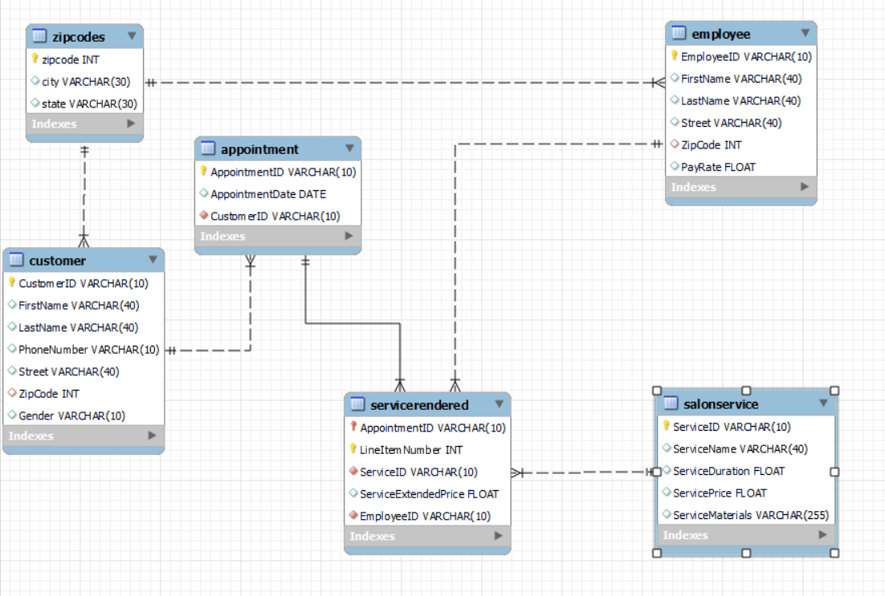

SALON MANAGEMENT SYSTEM ER DIAGRAM

Grant Authority
ROLES

Role | Name | userid | password | authority | tables
Database Administrator | Aman Singhal | aman | aman | create/drop/grant on all objects
Salon Manager | Ali Ahmed | ali | ali | select,insert,delete,update | All tables
Cashier | John Kepler | john | john | select,insert,delete,update | All tables
Employee | Ravi Singh | ravi | ravi | select | All tables
Customers | Ambika Sareen | ambika | ambika

User creation code
CREATE USER 'aman'@'localhost' IDENTIFIED BY 'aman' ;
CREATE USER 'ali'@'localhost' IDENTIFIED BY 'ali' ;
CREATE USER 'john'@'localhost' IDENTIFIED BY 'john' ;
CREATE USER 'ravi'@'localhost' IDENTIFIED BY 'ravi' ;
CREATE USER 'ambika'@'localhost' IDENTIFIED BY 'ambika' ;
List of tables:
ZIPCODES
APPOINTMENT
CUSTOMER
SALONSERVICE
EMPLOYEE
SERVICERENDERED
rel_ZIPCODES_EMPLOYEE
rel_ZIPCODES_CUSTOMER
rel_CUSTOMER_APPOINTMENT
rel_APPOINTMENT_SERVICERENDERED
rel_SERVICERENDERED_SALONSERVICE
rel_SERVICERENDERED_EMPLOYEE

dba
GRANT create,drop, select ON *.* TO 'joshi'@'localhost' with grant option ;
salon manager
GRANT select, insert, update, delete ON salon_mgmnt.* TO 'ali'@'localhost' ;
cashier
GRANT select, insert, update, delete ON salon_mgmnt.* TO 'john'@'localhost' ;
employee
GRANT select ON salon_mgmnt.* TO 'ravi'@'localhost' ;

